前提条件 Pre-Requisite
 | 前提条件 /Prerequisite

 | SELECT * FROM J_EDI_SND_DB_PAY
 | WHERE data_kokan_id = '000086'
 | AND EDI_KINO_CATEGORY_CD = 'A140'
 | AND EDI_SND_JOKYO_SBT = '0'
 | SND_SEQ_NO | DATA_KOKAN_ID | EDI_KINO_CATEGORY_CD | SUP_CD | HAN_KBN | KISAN_D | KINSHU | HONSHITEN_CD | SHIMEKIRI_YMD | MANKI_D | BANK_CD | SHITEN_CD | BANK_NMK | SHITEN_NMK | FURIKOMI_KOZA_SBT | FURIKOMI_KOZA_NO | EDI_KONKAI_PAY_GAKU | PAY_YMD | EDI_SND_JOKYO_SBT | SND_DT | SND_DATA_DEL_KBN | RCV_SEQ_NO | FUNC_UKETSUKE_NO | DEL_KBN | CREATE_DT | CREATE_USR | CREATE_FUNC | NEW_UPDATE_DT | NEW_UPDATE_USR | NEW_UPDATE_FUNC | UPDATE_CNT
 | S603132236 | 000086 | A140 | 0000860001 |  |  |  | 3 |  |  | 0005 | 001 | ﾐﾂﾋﾞｼﾕ-ｴﾌｼﾞｴｲ | ﾎﾝﾃﾝ | 1 | 2288776 | 116160 | 20250731 | 0 |  | 0 | SA10918929 | 631843 | 0 | 2025/06/11 21:21:41 | 99999 | SCBN050PGM010 | 2025/10/23 11:11:05 | EDI | m_TUG_支払_支払明細_データ編集_010 | 1
 | S603132237 | 000086 | A140 | 0000860001 |  |  |  | 3 |  |  | 0005 | 001 | ﾐﾂﾋﾞｼﾕ-ｴﾌｼﾞｴｲ | ﾎﾝﾃﾝ | 1 | 2288776 | 381700 | 20250731 | 0 |  | 0 | SA10918930 | 631843 | 0 | 2025/06/11 21:21:41 | 99999 | SCBN050PGM010 | 2025/10/23 11:11:05 | EDI | m_TUG_支払_支払明細_データ編集_010 | 1
 | S603132238 | 000086 | A140 | 0000860001 |  |  |  | 3 |  |  | 0005 | 001 | ﾐﾂﾋﾞｼﾕ-ｴﾌｼﾞｴｲ | ﾎﾝﾃﾝ | 1 | 2288776 | 293150 | 20250731 | 0 |  | 0 | SA10918931 | 631843 | 0 | 2025/06/11 21:21:41 | 99999 | SCBN050PGM010 | 2025/10/23 11:11:05 | EDI | m_TUG_支払_支払明細_データ編集_010 | 1
 | S603132239 | 000086 | A140 | 0000860001 |  |  |  | 3 |  |  | 0005 | 001 | ﾐﾂﾋﾞｼﾕ-ｴﾌｼﾞｴｲ | ﾎﾝﾃﾝ | 1 | 2288776 | 451000 | 20250731 | 0 |  | 0 | SA10918932 | 631843 | 0 | 2025/06/11 21:21:41 | 99999 | SCBN050PGM010 | 2025/10/23 11:11:05 | EDI | m_TUG_支払_支払明細_データ編集_010 | 1
 | S603132240 | 000086 | A140 | 0000860001 |  |  |  | 3 |  |  | 0005 | 001 | ﾐﾂﾋﾞｼﾕ-ｴﾌｼﾞｴｲ | ﾎﾝﾃﾝ | 1 | 2288776 | 440000 | 20250731 | 0 |  | 0 | SA10918933 | 631843 | 0 | 2025/06/11 21:21:41 | 99999 | SCBN050PGM010 | 2025/10/23 11:11:05 | EDI | m_TUG_支払_支払明細_データ編集_010 | 1
 | S603132241 | 000086 | A140 | 0000860001 |  |  |  | 3 |  |  | 0005 | 001 | ﾐﾂﾋﾞｼﾕ-ｴﾌｼﾞｴｲ | ﾎﾝﾃﾝ | 1 | 2288776 | 115500 | 20250731 | 0 |  | 0 | SA10918934 | 631843 | 0 | 2025/06/11 21:21:41 | 99999 | SCBN050PGM010 | 2025/10/23 11:11:05 | EDI | m_TUG_支払_支払明細_データ編集_010 | 1

 | 実施 /Implementation

 | ジョブネット実行 /Jobnet execution
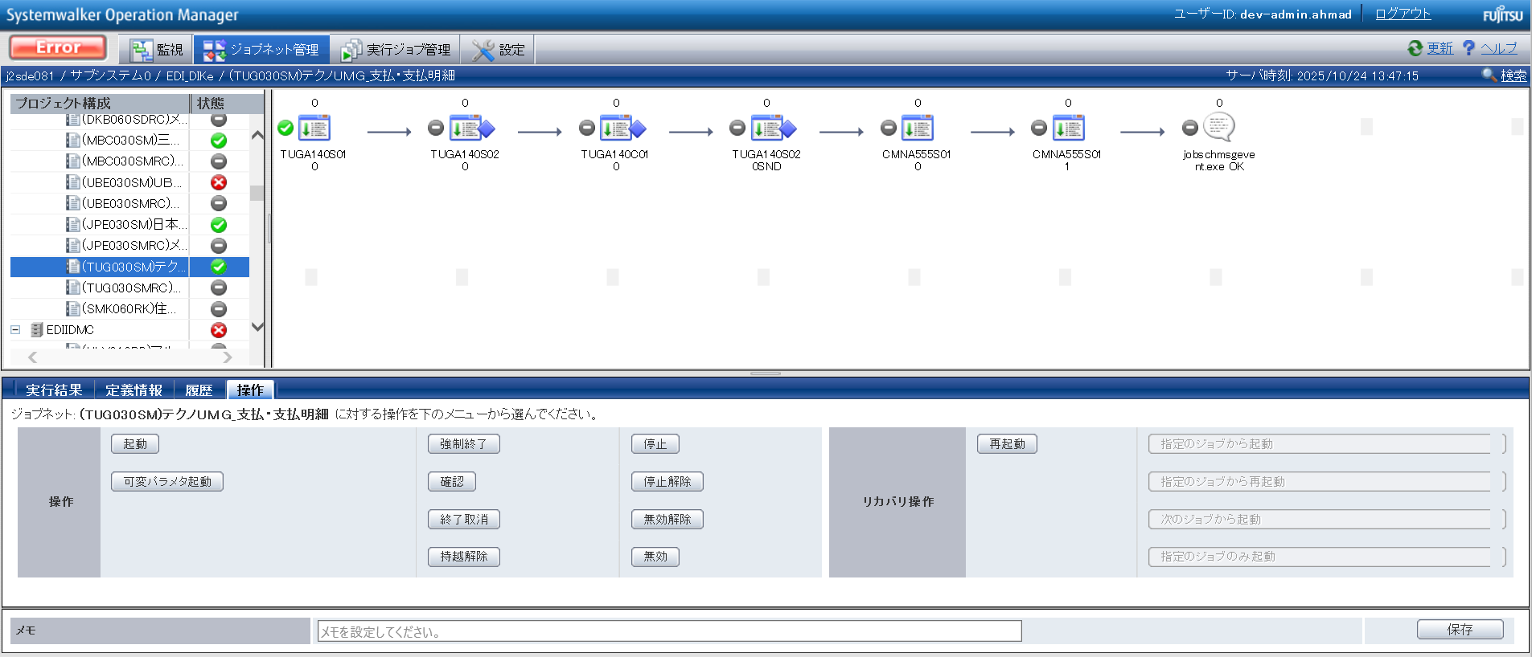

END

正常終了_Normal
No.20

 | 前提条件 /Prerequisite

 | 特になし。
 | /N/A

 | 実施 /Implementation

 | ジョブネット正常終了 /Job net completed normally
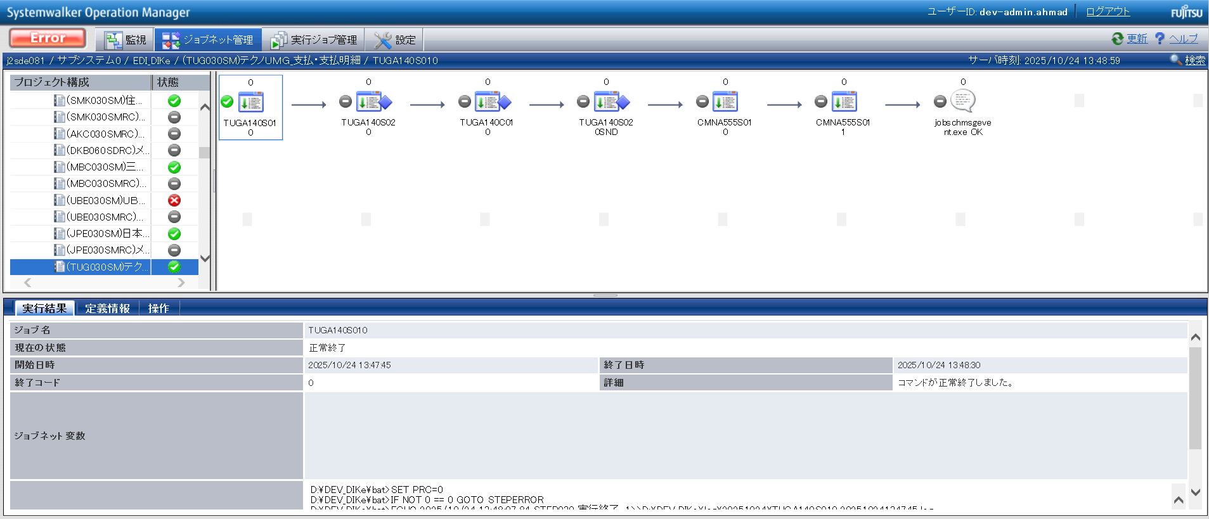

確認観点 ① /Confirmation viewpoint ①
/Systemwalker終了コード"0"で終了を確認。
/Confirmed termination with Systemwalker exit code "0".

No.20 OK

No.5
No.6
No.7
No.9

 | 前提条件 /Prerequisite

 | 特になし。
 | /N/A

 | 実施 /Implementation

確認観点① /Confirmation viewpoint ①
指定したパスに生成される「p_t_TUG_支払_010.param」, 「p_t_TUG_支払_020.param」のパス。
/Path of "p_t_TUG_支払_010.param","p_t_TUG_支払_020.param", generated at specified path.

 | 1) p_t_TUG_支払_010.param

確認観点 ② /Confirmation viewpoint ②
/詳細が正しいことを確認しました。
/Confirmed the details are correct.

 | 2) p_t_TUG_支払_020.param
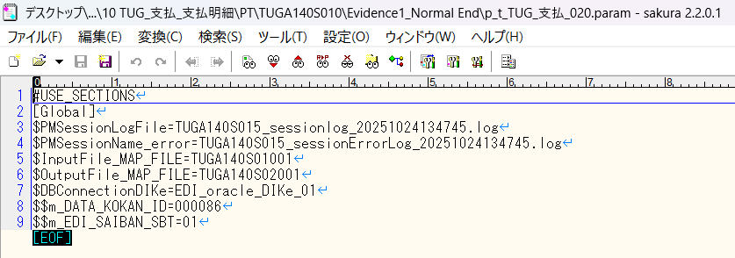

確認観点 ② /Confirmation viewpoint ②
/詳細が正しいことを確認しました。
/Confirmed the details are correct.

No.05 OK
No.06 OK
No.07 OK
No.09 OK

No.13

 | 前提条件 /Prerequisite

 | [No.13_データ入力]シートを参照

 | 実施 /Implementation

 | SELECT *
 | FROM v$locked_object lo
 | JOIN dba_objects ao ON lo.object_id = ao.object_id
 | JOIN v$session s ON lo.session_id = s.sid;
 | XIDUSN | XIDSLOT | XIDSQN | OBJECT_ID | SESSION_ID | ORACLE_USERNAME | OS_USER_NAME | PROCESS | LOCKED_MODE | CON_ID | OWNER | OBJECT_NAME | SUBOBJECT_NAME | OBJECT_ID_1 | DATA_OBJECT_ID | OBJECT_TYPE | CREATED | LAST_DDL_TIME | TIMESTAMP | STATUS | TEMPORARY | GENERATED | SECONDARY | NAMESPACE | EDITION_NAME | SHARING | EDITIONABLE | ORACLE_MAINTAINED | APPLICATION | DEFAULT_COLLATION | DUPLICATED | SHARDED | CREATED_APPID | CREATED_VSNID | MODIFIED_APPID | MODIFIED_VSNID | SADDR | SID | SERIAL# | AUDSID | PADDR | USER# | USERNAME | COMMAND | OWNERID | TADDR | LOCKWAIT | STATUS_1 | SERVER | SCHEMA# | SCHEMANAME | OSUSER | PROCESS_1 | MACHINE | PORT | TERMINAL | PROGRAM | TYPE | SQL_ADDRESS | SQL_HASH_VALUE | SQL_ID | SQL_CHILD_NUMBER | SQL_EXEC_START | SQL_EXEC_ID | PREV_SQL_ADDR | PREV_HASH_VALUE | PREV_SQL_ID | PREV_CHILD_NUMBER | PREV_EXEC_START | PREV_EXEC_ID | PLSQL_ENTRY_OBJECT_ID | PLSQL_ENTRY_SUBPROGRAM_ID | PLSQL_OBJECT_ID | PLSQL_SUBPROGRAM_ID | MODULE | MODULE_HASH | ACTION | ACTION_HASH | CLIENT_INFO | FIXED_TABLE_SEQUENCE | ROW_WAIT_OBJ# | ROW_WAIT_FILE# | ROW_WAIT_BLOCK# | ROW_WAIT_ROW# | TOP_LEVEL_CALL# | LOGON_TIME | LAST_CALL_ET | PDML_ENABLED | FAILOVER_TYPE | FAILOVER_METHOD | FAILED_OVER | RESOURCE_CONSUMER_GROUP | PDML_STATUS | PDDL_STATUS | PQ_STATUS | CURRENT_QUEUE_DURATION | CLIENT_IDENTIFIER | BLOCKING_SESSION_STATUS | BLOCKING_INSTANCE | BLOCKING_SESSION | FINAL_BLOCKING_SESSION_STATUS | FINAL_BLOCKING_INSTANCE | FINAL_BLOCKING_SESSION | SEQ# | EVENT# | EVENT | P1TEXT | P1 | P1RAW | P2TEXT | P2 | P2RAW | P3TEXT | P3 | P3RAW | WAIT_CLASS_ID | WAIT_CLASS# | WAIT_CLASS | WAIT_TIME | SECONDS_IN_WAIT | STATE | WAIT_TIME_MICRO | TIME_REMAINING_MICRO | TIME_SINCE_LAST_WAIT_MICRO | SERVICE_NAME | SQL_TRACE | SQL_TRACE_WAITS | SQL_TRACE_BINDS | SQL_TRACE_PLAN_STATS | SESSION_EDITION_ID | CREATOR_ADDR | CREATOR_SERIAL# | ECID | SQL_TRANSLATION_PROFILE_ID | PGA_TUNABLE_MEM | SHARD_DDL_STATUS | CON_ID_1 | EXTERNAL_NAME | PLSQL_DEBUGGER_CONNECTED
 | 3 | 22 | 1629915 | 279006 | 516 | DEV3ITUSER | UNKNOWN_USER | 18828:17412 | 3 | 0 | DEV3ITUSER | M_EDI_SAIBAN |  | 279006 | 279006 | TABLE | 8/21/19 | 8/22/19 | 2019-08-21:21:13:39 | VALID | N | N | N | 1 |  | NONE |  | N | N | USING_NLS_COMP | N | N |  |  |  |  | 00007FFA82D73870 | 516 | 27390 | 827977119 | 00007FFA82321680 | 180 | DEV3ITUSER | 0 | 2147483644 | 00007FFA7B606448 |  | INACTIVE | DEDICATED | 180 | DEV3ITUSER | UNKNOWN_USER | 18828:17412 | adev\j2sde081 | 58846 | j2sde081 | ORACLE.EXE (SHAD) | USER | 00 | 0 |  |  |  |  | 00007FFA7176A218 | 3246600649 | cfck2ar0s6cf9 | 0 | 10/24/25 | 16777224 |  |  |  |  | ORACLE.EXE (SHAD) | 2745123229 |  | 0 |  | 40222863 | -1 | 0 | 0 | 0 | 94 | 10/24/25 | 0 | NO | NONE | NONE | NO | OTHER_GROUPS | DISABLED | DISABLED | DISABLED | 0 |  | NO HOLDER |  |  | UNKNOWN |  |  | 21 | 418 | SQL*Net message from client | driver id | 675562835 | 0000000028444553 | #bytes | 1 | 0000000000000001 |  | 0 | 00 | 2723168908 | 6 | Idle | 0 | 0 | WAITING | 293298 | -1 | 0 | j2sde034.adev.local | DISABLED | FALSE | FALSE | FIRST EXEC | 133 | 00007FFA82321680 | 42 |  | 0 | 0 | DISABLED | 0 |  | FALSE
No.13 OK | 6 | 3 | 1849666 | 278713 | 52 | DEV3ITUSER | UNKNOWN_USER | 18828:17412 | 3 | 0 | DEV3ITUSER | J_EDI_SND_DB_PAY |  | 278713 | 278713 | TABLE | 8/21/19 | 8/22/19 | 2019-08-21:21:11:59 | VALID | N | N | N | 1 |  | NONE |  | N | N | USING_NLS_COMP | N | N |  |  |  |  | 00007FFA8293BD40 | 52 | 38903 | 827977118 | 00007FFA823205A8 | 180 | DEV3ITUSER | 0 | 2147483644 | 00007FFA7B6D37B0 |  | INACTIVE | DEDICATED | 180 | DEV3ITUSER | UNKNOWN_USER | 18828:17412 | adev\j2sde081 | 58845 | j2sde081 | ORACLE.EXE (SHAD) | USER | 00 | 0 |  |  |  |  | 00007FFA7473EE70 | 3435820776 | 62tkt7g6cnxr8 | 0 | 10/24/25 | 16777705 |  |  |  |  | ORACLE.EXE (SHAD) | 2745123229 |  | 0 |  | 40222864 | -1 | 0 | 0 | 0 | 94 | 10/24/25 | 0 | NO | NONE | NONE | NO | OTHER_GROUPS | DISABLED | DISABLED | DISABLED | 0 |  | NO HOLDER |  |  | UNKNOWN |  |  | 369 | 418 | SQL*Net message from client | driver id | 675562835 | 0000000028444553 | #bytes | 1 | 0000000000000001 |  | 0 | 00 | 2723168908 | 6 | Idle | 0 | 0 | WAITING | 314 | -1 | 0 | j2sde034.adev.local | DISABLED | FALSE | FALSE | FIRST EXEC | 133 | 00007FFA823205A8 | 111 |  | 0 | 0 | DISABLED | 0 |  | FALSE

No.14
No.15
No.16

 | 前提条件 /Prerequisite

 | 特になし。
 | /N/A

 | 実施 /Implementation

 | バッチログが出力されている /Batch log is output

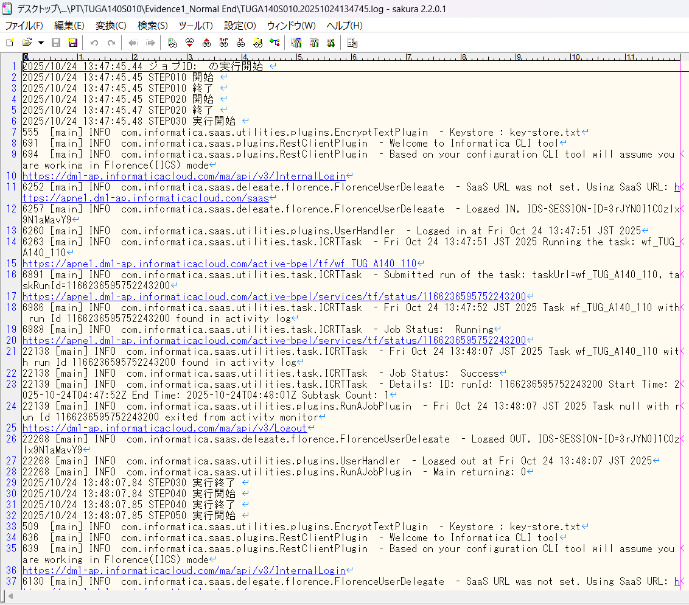

確認観点① /Confirmation viewpoint ①
以下の情報が出力されている
・開始メッセージ
・ステップメッセージ
・終了メッセージ
/The following information is output
・Start message
・Step message
・Completion message

 | セッションログが出力されている/Session log is output
 | セッションインポートログが出力されている/Session import log is output

No.14 OK
No.15 OK
No.16 OK

No.8
No.30
No.32
No.33

 | 前提条件 /Prerequisite

 | 特になし。
 | /N/A

 | 実施 /Implementation

 | 件数確認ファイルが出力されていること。 |  |  |  | ・TUGA140S01001
 | 連携ファイルが出力されていること。 |  |  |  | ・TUGA140S02001

No.8 OK

 | ・対象データの件数 = 連携ファイル(TUGA140S02001)の出力件数 であること |  |  |  |  |  |  | /Number of target data = Number of output files (TUGA140S02001)

 | TUGA140S01001 |  |  |  |  |  |  |  |  |  |  |  | TUGA140S02001

No.30 OK
No.32 OK
No.33 OK

No.40
No.41
No.42
No.43
No.44

 | 前提条件 /Prerequisite

 | 特になし。
 | /N/A

 | 実施 /Implementation

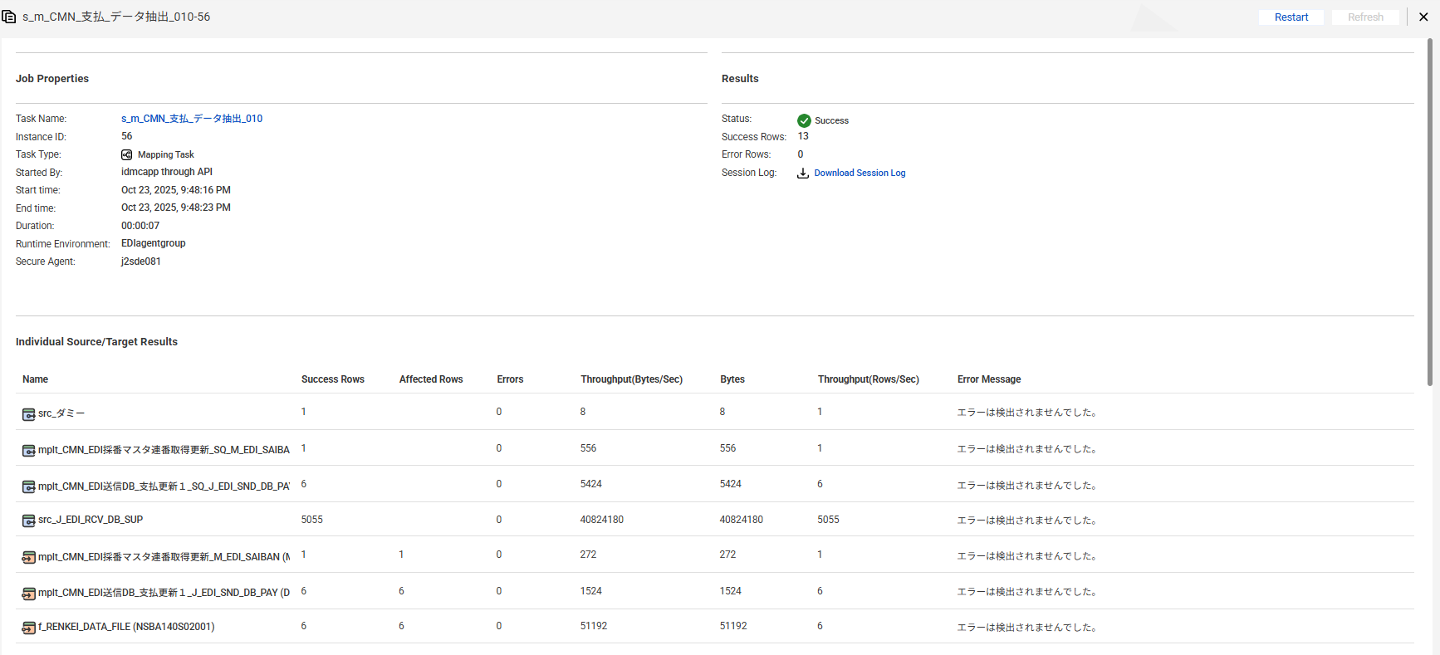

No.43 OK

 | EDI採番マスタ
 | EDI採番マスタ のEDI_連番 =EDI_連番(ジョブ実行前）+1 であること
 | 【実行前】
 | SELECT * FROM M_EDI_SAIBAN
 | WHERE EDI_SAIBAN_SBT = '01'
 | AND EDI_SAIBAN_SHUTOKU_KEY = 'ZZZZZZZZZZ'
 | FOR UPDATE wait 60;
 | EDI_SAIBAN_SBT | EDI_SAIBAN_SHUTOKU_KEY | YUKO_KETA_SU | EDI_REMBAN | MST_UPDATE_USR | MST_UPDATE_DT | DEL_KBN | CREATE_DT | CREATE_USR | CREATE_FUNC | NEW_UPDATE_DT | NEW_UPDATE_USR | NEW_UPDATE_FUNC | UPDATE_CNT
 | 01 | ZZZZZZZZZZ | 10 | 631856 | 99998 | 2010/08/05 00:00:00 | 0 | 2010/08/05 09:19:14 | 99998 | SEB10301 | 2025/10/24 16:34:05 | EDI | m_CMN_発注_データ抽出_010 | 949

 | 【実行後】
 | EDI_SAIBAN_SBT | EDI_SAIBAN_SHUTOKU_KEY | YUKO_KETA_SU | EDI_REMBAN | MST_UPDATE_USR | MST_UPDATE_DT | DEL_KBN | CREATE_DT | CREATE_USR | CREATE_FUNC | NEW_UPDATE_DT | NEW_UPDATE_USR | NEW_UPDATE_FUNC | UPDATE_CNT
No.44 OK | 01 | ZZZZZZZZZZ | 10 | 631857 | 99998 | 2010/08/05 00:00:00 | 0 | 2010/08/05 09:19:14 | 99998 | SEB10301 | 2025/10/24 17:50:06 | EDI | m_CMN_支払_データ抽出_010 | 950

 | EDI送信DB_支払
 | 【実行前】
 | SELECT * FROM J_EDI_SND_DB_PAY a
 | WHERE a.DATA_KOKAN_ID = '000086'
 | AND a.EDI_KINO_CATEGORY_CD = 'A140'
 | AND a.EDI_SND_JOKYO_SBT = '0'
 | ORDER BY SND_SEQ_NO
 | SND_SEQ_NO | DATA_KOKAN_ID | EDI_KINO_CATEGORY_CD | SUP_CD | HAN_KBN | KISAN_D | KINSHU | HONSHITEN_CD | SHIMEKIRI_YMD | MANKI_D | BANK_CD | SHITEN_CD | BANK_NMK | SHITEN_NMK | FURIKOMI_KOZA_SBT | FURIKOMI_KOZA_NO | EDI_KONKAI_PAY_GAKU | PAY_YMD | EDI_SND_JOKYO_SBT | SND_DT | SND_DATA_DEL_KBN | RCV_SEQ_NO | FUNC_UKETSUKE_NO | DEL_KBN | CREATE_DT | CREATE_USR | CREATE_FUNC | NEW_UPDATE_DT | NEW_UPDATE_USR | NEW_UPDATE_FUNC | UPDATE_CNT
 | S603132236 | 000086 | A140 | 0000860001 |  |  |  | 3 |  |  | 0005 | 001 | ﾐﾂﾋﾞｼﾕ-ｴﾌｼﾞｴｲ | ﾎﾝﾃﾝ | 1 | 2288776 | 116160 | 20250731 | 0 |  | 0 | SA10918929 | 631843 | 0 | 2025/06/11 21:21:41 | 99999 | SCBN050PGM010 | 2025/10/23 11:11:05 | EDI | m_TUG_支払_支払明細_データ編集_010 | 1
 | S603132237 | 000086 | A140 | 0000860001 |  |  |  | 3 |  |  | 0005 | 001 | ﾐﾂﾋﾞｼﾕ-ｴﾌｼﾞｴｲ | ﾎﾝﾃﾝ | 1 | 2288776 | 381700 | 20250731 | 0 |  | 0 | SA10918930 | 631843 | 0 | 2025/06/11 21:21:41 | 99999 | SCBN050PGM010 | 2025/10/23 11:11:05 | EDI | m_TUG_支払_支払明細_データ編集_010 | 1
 | S603132238 | 000086 | A140 | 0000860001 |  |  |  | 3 |  |  | 0005 | 001 | ﾐﾂﾋﾞｼﾕ-ｴﾌｼﾞｴｲ | ﾎﾝﾃﾝ | 1 | 2288776 | 293150 | 20250731 | 0 |  | 0 | SA10918931 | 631843 | 0 | 2025/06/11 21:21:41 | 99999 | SCBN050PGM010 | 2025/10/23 11:11:05 | EDI | m_TUG_支払_支払明細_データ編集_010 | 1
 | S603132239 | 000086 | A140 | 0000860001 |  |  |  | 3 |  |  | 0005 | 001 | ﾐﾂﾋﾞｼﾕ-ｴﾌｼﾞｴｲ | ﾎﾝﾃﾝ | 1 | 2288776 | 451000 | 20250731 | 0 |  | 0 | SA10918932 | 631843 | 0 | 2025/06/11 21:21:41 | 99999 | SCBN050PGM010 | 2025/10/23 11:11:05 | EDI | m_TUG_支払_支払明細_データ編集_010 | 1
 | S603132240 | 000086 | A140 | 0000860001 |  |  |  | 3 |  |  | 0005 | 001 | ﾐﾂﾋﾞｼﾕ-ｴﾌｼﾞｴｲ | ﾎﾝﾃﾝ | 1 | 2288776 | 440000 | 20250731 | 0 |  | 0 | SA10918933 | 631843 | 0 | 2025/06/11 21:21:41 | 99999 | SCBN050PGM010 | 2025/10/23 11:11:05 | EDI | m_TUG_支払_支払明細_データ編集_010 | 1
 | S603132241 | 000086 | A140 | 0000860001 |  |  |  | 3 |  |  | 0005 | 001 | ﾐﾂﾋﾞｼﾕ-ｴﾌｼﾞｴｲ | ﾎﾝﾃﾝ | 1 | 2288776 | 115500 | 20250731 | 0 |  | 0 | SA10918934 | 631843 | 0 | 2025/06/11 21:21:41 | 99999 | SCBN050PGM010 | 2025/10/23 11:11:05 | EDI | m_TUG_支払_支払明細_データ編集_010 | 1

 | 【実行後】
 | SELECT * FROM J_EDI_SND_DB_PAY a
 | WHERE a.DATA_KOKAN_ID = '000086'
 | AND a.EDI_KINO_CATEGORY_CD = 'A140'
 | AND a.EDI_SND_JOKYO_SBT = '1'
 | ORDER BY SND_SEQ_NO
 | SND_SEQ_NO | DATA_KOKAN_ID | EDI_KINO_CATEGORY_CD | SUP_CD | HAN_KBN | KISAN_D | KINSHU | HONSHITEN_CD | SHIMEKIRI_YMD | MANKI_D | BANK_CD | SHITEN_CD | BANK_NMK | SHITEN_NMK | FURIKOMI_KOZA_SBT | FURIKOMI_KOZA_NO | EDI_KONKAI_PAY_GAKU | PAY_YMD | EDI_SND_JOKYO_SBT | SND_DT | SND_DATA_DEL_KBN | RCV_SEQ_NO | FUNC_UKETSUKE_NO | DEL_KBN | CREATE_DT | CREATE_USR | CREATE_FUNC | NEW_UPDATE_DT | NEW_UPDATE_USR | NEW_UPDATE_FUNC | UPDATE_CNT
 | S603132236 | 000086 | A140 | 0000860001 |  |  |  | 3 |  |  | 0005 | 001 | ﾐﾂﾋﾞｼﾕ-ｴﾌｼﾞｴｲ | ﾎﾝﾃﾝ | 1 | 2288776 | 116160 | 20250731 | 1 |  | 0 | SA10918929 | 631843 | 0 | 2025/06/11 21:21:41 | 99999 | SCBN050PGM010 | 2025/10/24 13:48:22 | EDI | m_CMN_支払_データ抽出_010 | 2
 | S603132237 | 000086 | A140 | 0000860001 |  |  |  | 3 |  |  | 0005 | 001 | ﾐﾂﾋﾞｼﾕ-ｴﾌｼﾞｴｲ | ﾎﾝﾃﾝ | 1 | 2288776 | 381700 | 20250731 | 1 |  | 0 | SA10918930 | 631843 | 0 | 2025/06/11 21:21:41 | 99999 | SCBN050PGM010 | 2025/10/24 13:48:22 | EDI | m_CMN_支払_データ抽出_010 | 2
 | S603132238 | 000086 | A140 | 0000860001 |  |  |  | 3 |  |  | 0005 | 001 | ﾐﾂﾋﾞｼﾕ-ｴﾌｼﾞｴｲ | ﾎﾝﾃﾝ | 1 | 2288776 | 293150 | 20250731 | 1 |  | 0 | SA10918931 | 631843 | 0 | 2025/06/11 21:21:41 | 99999 | SCBN050PGM010 | 2025/10/24 13:48:22 | EDI | m_CMN_支払_データ抽出_010 | 2
 | S603132239 | 000086 | A140 | 0000860001 |  |  |  | 3 |  |  | 0005 | 001 | ﾐﾂﾋﾞｼﾕ-ｴﾌｼﾞｴｲ | ﾎﾝﾃﾝ | 1 | 2288776 | 451000 | 20250731 | 1 |  | 0 | SA10918932 | 631843 | 0 | 2025/06/11 21:21:41 | 99999 | SCBN050PGM010 | 2025/10/24 13:48:22 | EDI | m_CMN_支払_データ抽出_010 | 2
 | S603132240 | 000086 | A140 | 0000860001 |  |  |  | 3 |  |  | 0005 | 001 | ﾐﾂﾋﾞｼﾕ-ｴﾌｼﾞｴｲ | ﾎﾝﾃﾝ | 1 | 2288776 | 440000 | 20250731 | 1 |  | 0 | SA10918933 | 631843 | 0 | 2025/06/11 21:21:41 | 99999 | SCBN050PGM010 | 2025/10/24 13:48:22 | EDI | m_CMN_支払_データ抽出_010 | 2
No.40 OK | S603132241 | 000086 | A140 | 0000860001 |  |  |  | 3 |  |  | 0005 | 001 | ﾐﾂﾋﾞｼﾕ-ｴﾌｼﾞｴｲ | ﾎﾝﾃﾝ | 1 | 2288776 | 115500 | 20250731 | 1 |  | 0 | SA10918934 | 631843 | 0 | 2025/06/11 21:21:41 | 99999 | SCBN050PGM010 | 2025/10/24 13:48:22 | EDI | m_CMN_支払_データ抽出_010 | 2
No.41 OK
No.42 OK

No.34
No.35
No.39

 | 前提条件 /Prerequisite

 | 特になし。
 | /N/A

 | 実施 /Implementation

 | TUG_支払_連携ファイル出力確認.xlsx 参照

No.34 OK
No.35 OK
No.39 OK

No.52
No.53

 | 前提条件 /Prerequisite

 | 特になし。
 | /N/A

 | 実施 /Implementation

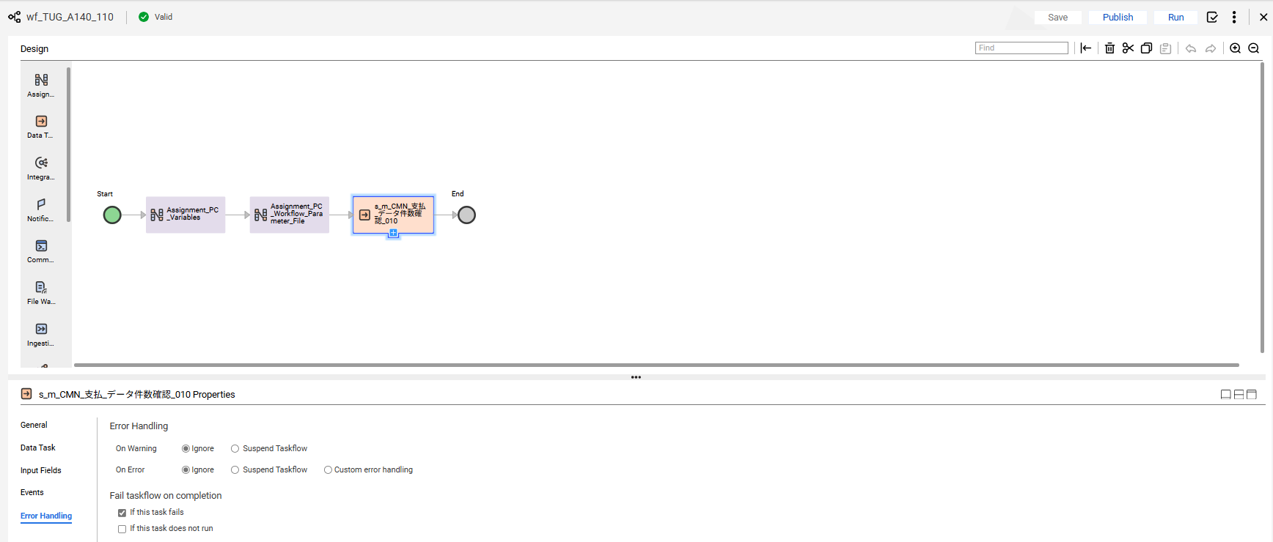

No.52 OK

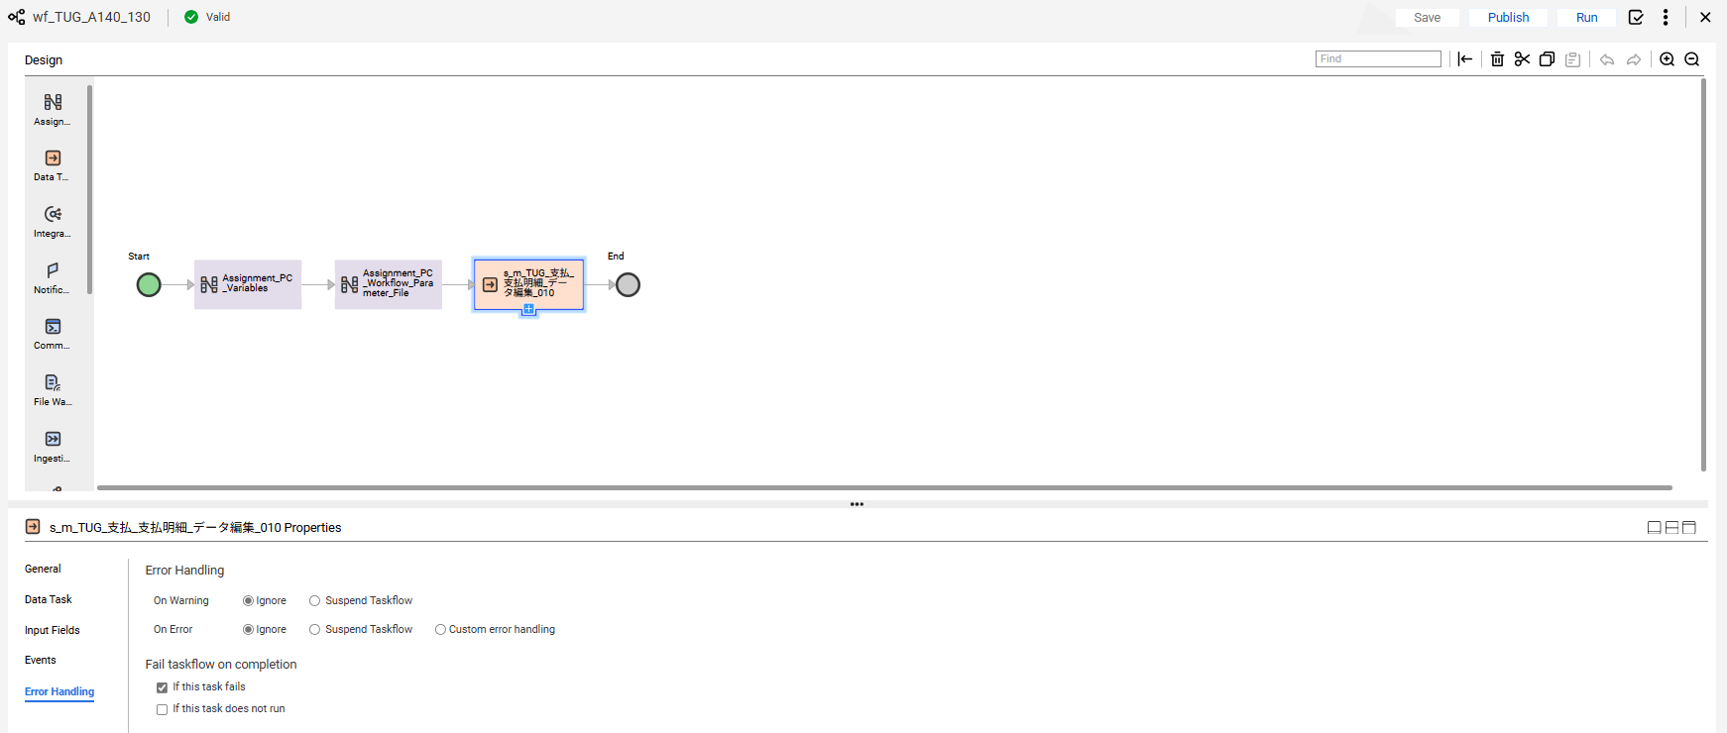

No.53 OK

END

異常終了_Abnormal
No.22

 | 前提条件 /Prerequisite

 | SELECT * FROM J_EDI_SND_DB_PAY a
 | WHERE a.DATA_KOKAN_ID = '000086'
 | AND a.EDI_KINO_CATEGORY_CD = 'A140'
 | AND a.EDI_SND_JOKYO_SBT = '0'
 | ORDER BY SND_SEQ_NO
 | FOR UPDATE wait 60;
 | SND_SEQ_NO | DATA_KOKAN_ID | EDI_KINO_CATEGORY_CD | SUP_CD | HAN_KBN | KISAN_D | KINSHU | HONSHITEN_CD | SHIMEKIRI_YMD | MANKI_D | BANK_CD | SHITEN_CD | BANK_NMK | SHITEN_NMK | FURIKOMI_KOZA_SBT | FURIKOMI_KOZA_NO | EDI_KONKAI_PAY_GAKU | PAY_YMD | EDI_SND_JOKYO_SBT | SND_DT | SND_DATA_DEL_KBN | RCV_SEQ_NO | FUNC_UKETSUKE_NO | DEL_KBN | CREATE_DT | CREATE_USR | CREATE_FUNC | NEW_UPDATE_DT | NEW_UPDATE_USR | NEW_UPDATE_FUNC | UPDATE_CNT
 | S603132236 | 000086 | A140 | 0000860001 |  |  |  | 3 |  |  | 0005 | 001 | ﾐﾂﾋﾞｼﾕ-ｴﾌｼﾞｴｲ | ﾎﾝﾃﾝ | 1 | 2288776 | 116160 | 20250731 | 0 |  | 0 | SA10918929 | 631843 | 0 | 2025/06/11 21:21:41 | 99999 | SCBN050PGM010 | 2025/10/24 17:52:30 | EDI | m_CMN_支払_データ抽出_010 | 1
 | S603132237 | 000086 | A140 | 0000860001 |  |  |  | 3 |  |  | 0005 | 001 | ﾐﾂﾋﾞｼﾕ-ｴﾌｼﾞｴｲ | ﾎﾝﾃﾝ | 1 | 2288776 | 381700 | 20250731 | 0 |  | 0 | SA10918930 | 631843 | 0 | 2025/06/11 21:21:41 | 99999 | SCBN050PGM010 | 2025/10/24 17:52:30 | EDI | m_CMN_支払_データ抽出_010 | 1
 | S603132238 | 000086 | A140 | 0000860001 |  |  |  | 3 |  |  | 0005 | 001 | ﾐﾂﾋﾞｼﾕ-ｴﾌｼﾞｴｲ | ﾎﾝﾃﾝ | 1 | 2288776 | 293150 | 20250731 | 0 |  | 0 | SA10918931 | 631843 | 0 | 2025/06/11 21:21:41 | 99999 | SCBN050PGM010 | 2025/10/24 17:52:30 | EDI | m_CMN_支払_データ抽出_010 | 1
 | S603132239 | 000086 | A140 | 0000860001 |  |  |  | 3 |  |  | 0005 | 001 | ﾐﾂﾋﾞｼﾕ-ｴﾌｼﾞｴｲ | ﾎﾝﾃﾝ | 1 | 2288776 | 451000 | 20250731 | 0 |  | 0 | SA10918932 | 631843 | 0 | 2025/06/11 21:21:41 | 99999 | SCBN050PGM010 | 2025/10/24 17:52:30 | EDI | m_CMN_支払_データ抽出_010 | 1
 | S603132240 | 000086 | A140 | 0000860001 |  |  |  | 3 |  |  | 0005 | 001 | ﾐﾂﾋﾞｼﾕ-ｴﾌｼﾞｴｲ | ﾎﾝﾃﾝ | 1 | 2288776 | 440000 | 20250731 | 0 |  | 0 | SA10918933 | 631843 | 0 | 2025/06/11 21:21:41 | 99999 | SCBN050PGM010 | 2025/10/24 17:52:30 | EDI | m_CMN_支払_データ抽出_010 | 1
 | S603132241 | 000086 | A140 | 0000860001 |  |  |  | 3 |  |  | 0005 | 001 | ﾐﾂﾋﾞｼﾕ-ｴﾌｼﾞｴｲ | ﾎﾝﾃﾝ | 1 | 2288776 | 115500 | 20250731 | 0 |  | 0 | SA10918934 | 631843 | 0 | 2025/06/11 21:21:41 | 99999 | SCBN050PGM010 | 2025/10/24 17:52:30 | EDI | m_CMN_支払_データ抽出_010 | 1

 | 実施 /Implementation

 | ジョブネット実行 /Jobnet execution
 | Systemwalker終了コード"99"で終了 |  |  |  | /End with Systemwalker exit code "99"
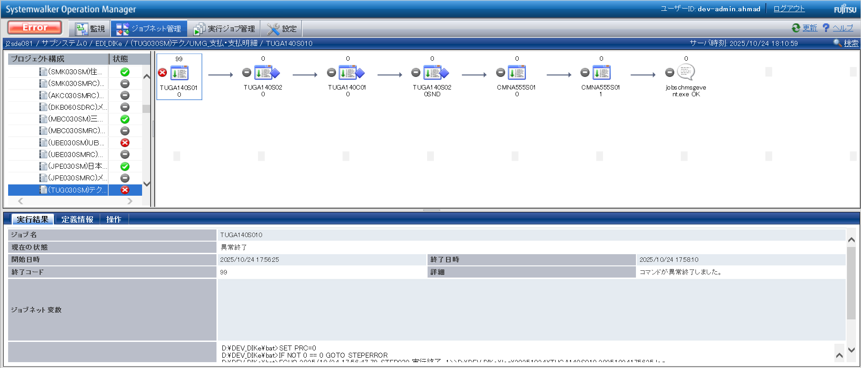

確認観点 ① /Confirmation viewpoint ①
Systemwalker終了コード"99"で終了を確認。/
Confirm termination with Systemwalker termination code "99"

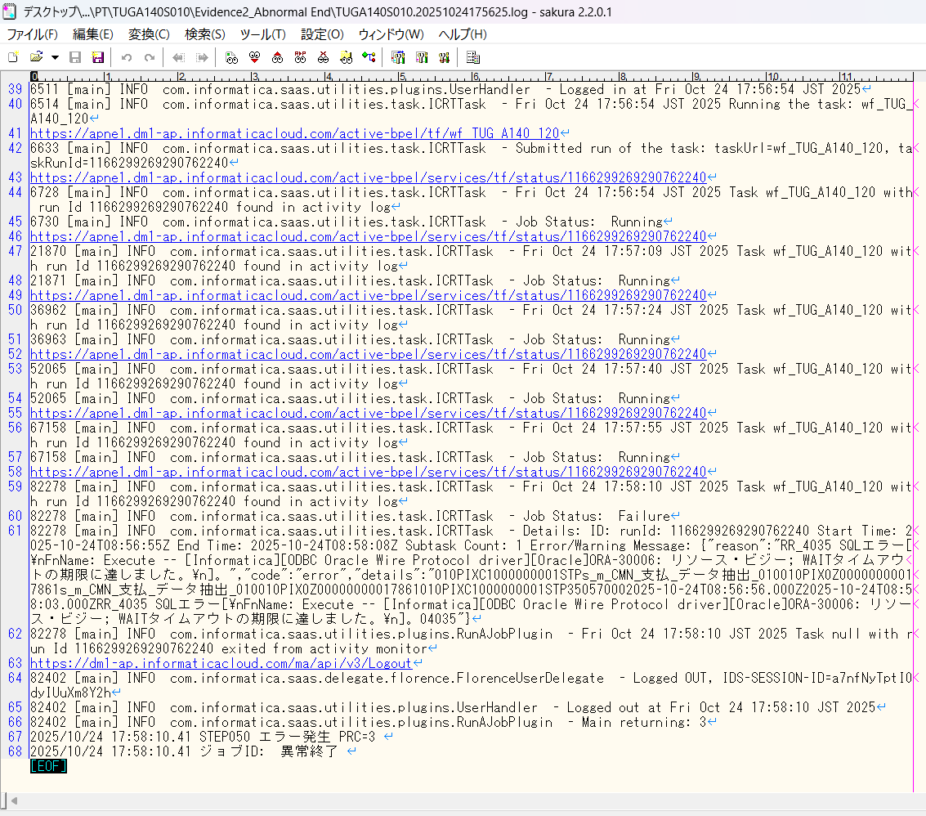

No.22 OK

END

0件_0 Data
No.21
No.31

 | 前提条件 /Prerequisite

 | SELECT * FROM J_EDI_SND_DB_PAY a
 | WHERE a.DATA_KOKAN_ID = '000086'
 | AND a.EDI_KINO_CATEGORY_CD = 'A140'
 | AND a.EDI_SND_JOKYO_SBT = '0'
 | ORDER BY SND_SEQ_NO
 | SND_SEQ_NO | DATA_KOKAN_ID | EDI_KINO_CATEGORY_CD | SUP_CD | HAN_KBN | KISAN_D | KINSHU | HONSHITEN_CD | SHIMEKIRI_YMD | MANKI_D | BANK_CD | SHITEN_CD | BANK_NMK | SHITEN_NMK | FURIKOMI_KOZA_SBT | FURIKOMI_KOZA_NO | EDI_KONKAI_PAY_GAKU | PAY_YMD | EDI_SND_JOKYO_SBT | SND_DT | SND_DATA_DEL_KBN | RCV_SEQ_NO | FUNC_UKETSUKE_NO | DEL_KBN | CREATE_DT | CREATE_USR | CREATE_FUNC | NEW_UPDATE_DT | NEW_UPDATE_USR | NEW_UPDATE_FUNC | UPDATE_CNT
 | NULL | NULL | NULL | NULL | NULL | NULL | NULL | NULL | NULL | NULL | NULL | NULL | NULL | NULL | NULL | NULL | NULL | NULL | NULL | NULL | NULL | NULL | NULL | NULL | NULL | NULL | NULL | NULL | NULL | NULL | NULL

 | 実施 /Implementation

No.21 OK | Systemwalker終了コード"10"で終了
 | Systemwalker exited with exit code "10"
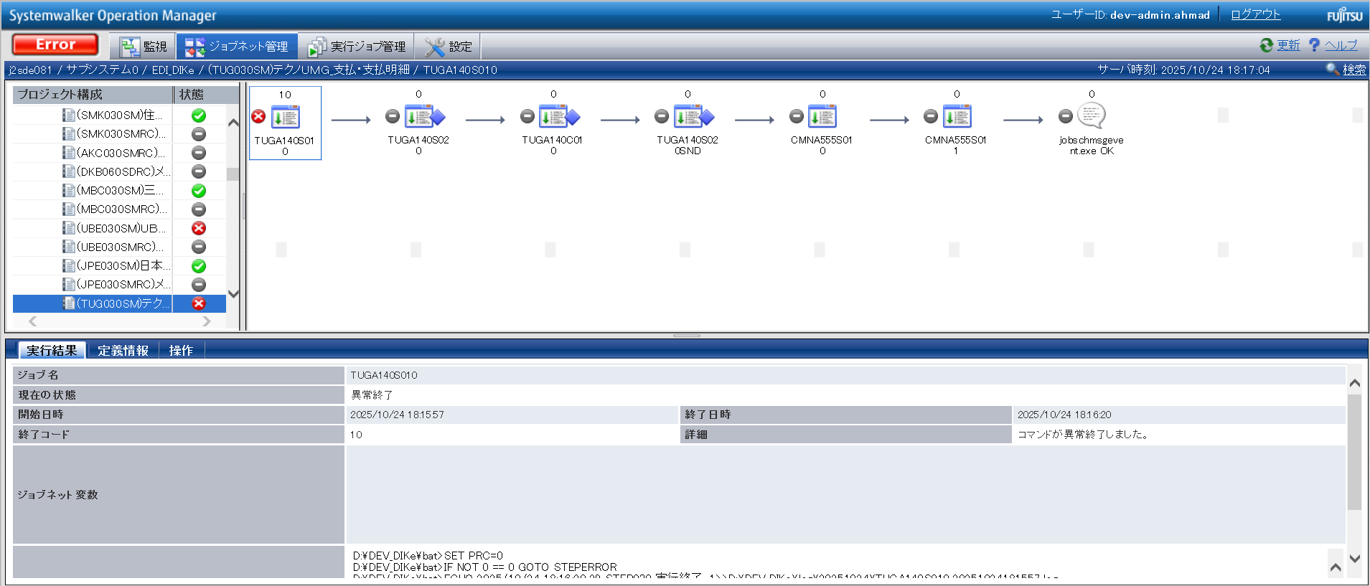

確認観点 ① /Confirmation viewpoint ①
Systemwalker終了コード"10"で終了を確認。/
Confirm termination with Systemwalker termination code "10"

 | TUGA140S01001

No.31 OK
 | TUGA140S02001

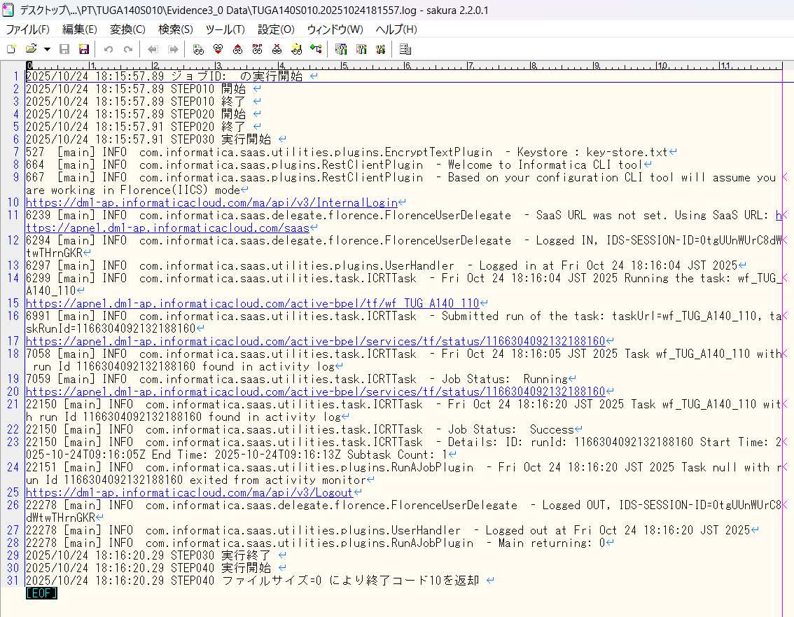

END

パーツ_1
No.01

 | 前提条件 /Prerequisite

 | 特になし。
 | /N/A

 | 実施 /Implementation

No.01 OK

END

確認観点 ① /Confirmation viewpoint ①
○○○○を確認。/Confirm ○○○○
確認観点 /Confirmation viewpoint
以下の情報が出力されている /Below information is output
・開始メッセージ /Start message
・ステップメッセージ /Step message
・終了メッセージ /End message
確認観点 /Confirmation viewpoint
詳細が指定どおりであることを確認しました。
/Confirmed that the details are as specified.

 |  | ①②③④⑤⑥⑦⑧⑨⑩

 |  | テスト上重要な項目 /Important item for testing.
 |  | 申請番号 /Application No | 海外発注番号 /Oversea order No | 海外発注識別番号 /Overseas order identification number | 仕向国コード /Destination country code
 | → | #N/A | #N/A | #N/A | #N/A

 |  | Comment : 青セルに取得したい項目（和名）を入力してください。HLOOKUP内の検索範囲を調整してください。※使いづらかったら使わなくてOKです。
 |  | /Comment: Enter the item (Japanese name) to get in the blue cell. Please adjust the search range in HLOOKUP. * Do not use if it is difficult to use.

